Dashboard
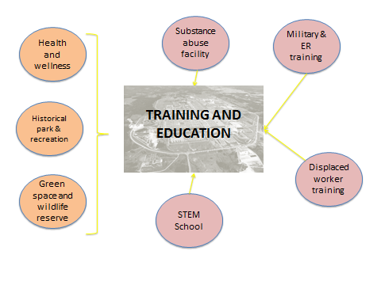

 |  |  |  |  | Impact Type | Employment | Labor Income | Value Added
 |  |  |  |  | Direct Effect | 212.4 | $3,931,250 | $4,469,954
 |  |  |  |  | Indirect Effect | 12.2 | $486,090 | $1,119,072
 |  |  |  |  | Induced Effect | 20.2 | $700,246 | $1,189,640
 |  |  |  |  | Total Effect | 245.0 | $5,117,584 | $6,778,666

# | Scenario Name | Total Employment | Total Labor Income | Total Value-Added
1 | Nuclear Power Plant | 840.1 | 51,580,766 | 145,560,592
2 | National R&D | 2,054.7 | 89,669,280 | 118,608,985
3 | Warehousing, Distribution, and Transportation Hub | 771.0 | 33,298,446 | 49,609,691
4 | Greenbelt | 1,194.8 | 50,747,899 | 68,694,663
5 | Metal Recovery | 1,023.2 | 45,201,431 | 60,015,660
6 | Green Energy Production | 1,437.9 | 71,143,413 | 148,916,427
7 | Training and Education | 245.0 | 5,117,584 | 6,778,666
8 | Industrial Park | 1,274.2 | 65,711,809 | 142,147,020
9 | Multi-use Southern Ohio Education Center | 362.3 | 13,323,153 | 18,587,448
Notes: The numbers above represent total i.e. cumulative impacts. For example, a nuclear power plant is expected to support a total of 840 jobs. These jobs will be created not only in the nuclear energy sector but also in other sectors of economy such as retail trade, health care, manufacturing, etc.
Scenarios include only operational phase, the construction phase is excluded. The scenarios present a conservative estimates of impacts.

 |  |  |  |  |  | 1

